FrontPage
 | Section 52 Budget Statement, 2022-23 |  |  |  | Part 1 | 1.0


 |  |  |  | Chief Education Officer
 |  |  |  | Vale of Glamorgan Council
 |  |  |  | Education Department
 |  |  |  | Provincial House
 |  |  |  | Kendrick Road
 |  |  |  | Barry
 |  |  |  | Vale of Glamorgan
 |  |  |  | CF62 8DJ

 | If necessary, please amend the name and telephone number or our contact in case of queries:-

 |  | Contact name: | Nicola Monckton

 |  | Contact E-mail: | NMonckton@valeofglamorgan.gov.uk

 |  | Telephone: | 01446 709444

The information on this form must be submitted to the Welsh Government under section 52 of the Schools Standards and Framework Act 1998
The latest date for return is 31 March 2022

 | Please complete this spreadsheet and return by e-mail to the address below.
 | Any queries on completion of the spreadsheet should be directed to Frank Kelly or Bruce Anderson via telephone, fax or e-mail, as detailed below.
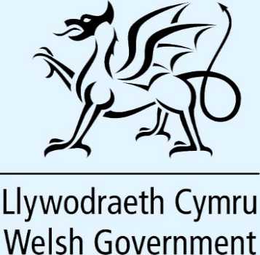
 | Local Government Financial Statistics
 | Knowledge and Analytical Services
 | Welsh Government
 | Cathays Park
 | CARDIFF
 | CF10 3NQ

 | Telephone: 03000 25 (5673 or 9169)

 | E-mail: | LGFS.transfer@gov.wales

 |  |  |  |  | 

